DRESS
RED TAG |  |  | SAMPLE REVIEW REPORT

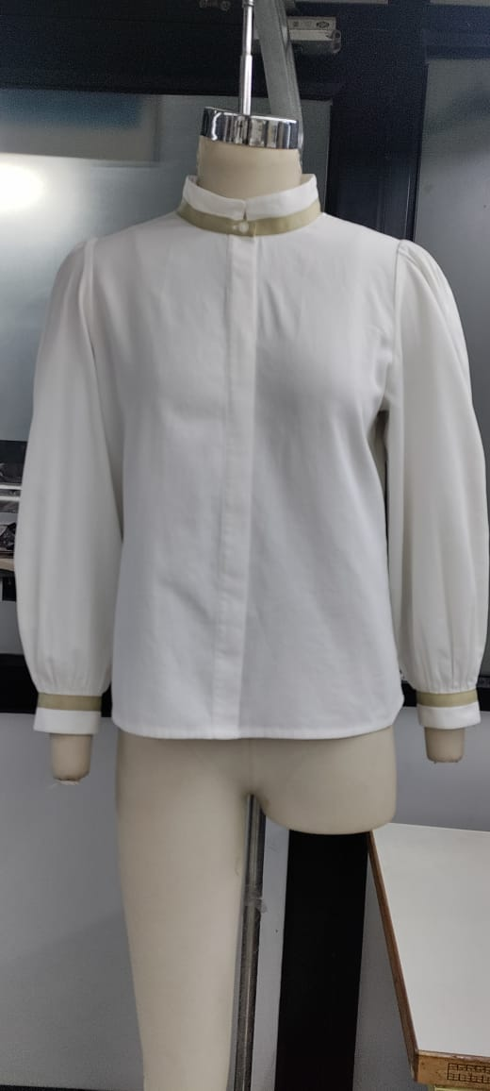
Brand |  | LADIES CELEBRITY |  |  |  |  |  |  |  | Fabric | Fabric |  |  |  | Substitute |  | Bulk |  |  |  | BMA-QC-FRM-01 Rev:00 Date : 14-06-2022
Supplier |  | TEXIGN |  |  |  |  |  |  |  | Accessories | Accessories |  |  |  | Substitute |  | Bulk
Style # / Colour |  | SS23EOFBLO02 |  |  |  |  |  |  |  | Season / Del. Dt. | Season / Del. Dt. | SUMMER 23'E
DESCRIPTION |  | LADIES LONG SLV BLOUSE |  |  |  |  |  |  |  |  | PO #
 |  | 24/03/2023-11/04/2023 |  |  |  |  |  |  |  |  | Size : 12 |  |  |  | 8 to 18
PRODUCT DETAILS INSPECTION CHART
APPROVED YES / N0 / N/A
Style Details |  |  |  | YES | NO | N/A | Trims / Accessories |  |  |  |  | YES | NO | N/A | Style Finish |  |  | YES | NO | N/A
Product Design |  |  |  |  |  |  | Main label |  |  |  |  |  |  |  | Washing
Fabric / Material |  |  |  |  |  |  | Size label |  |  |  |  |  |  |  | Handfeeling
Lining |  |  |  |  |  |  | Care label |  |  |  |  |  |  |  | Ironing
Thread |  |  |  |  |  |  | Hangtag |  |  |  |  |  |  |  | Packing
Interlining |  |  |  |  |  |  | Outer label / badges |  |  |  |  |  |  |  | Colour
Colour combination |  |  |  |  |  |  | Embroidery / print |  |  |  |  |  |  |  | Material test
Seam Construction |  |  |  |  |  |  | Zipper |  |  |  |  |  |  |  | Product test
Topstitching |  |  |  |  |  |  | Button / closure

SPECIFICATION REVIEW |  |  |  |  |  |  |  |  |  |  |  |  |  |  |  |  |  |  |  |  | GRADED MEASUREMENTS
POM | MEASUREMENT POINTS |  |  |  |  |  |  | 24/03/2023 FIT REVIEW SZ12 | 11/04/2023 2nd FIT REVIEW | PPS REVIEW 4/25/2023 SZ-12 | PPS REVIEW 4/27/2023 SIZE 10 | PPS REVIEW 4/27/2023 SIZE 18 |  | DISC- |  | 24/03/2023 UPDATED SPEC |  |  |  | Comment | 8 | 10 | BASE SIZE 12 | 14 | GRADE RULE | 16 | 18 | GRADE RULE | tol+/-
A | FRONT LENGTH FROM HPS |  |  |  |  |  |  | 61 | 61 | 61.3 | 59 | 67 |  | 0 |  | 61 |  |  |  |  | 57 | 59 | 61 | 63 | 2 | 65 | 67 | 2 | 1
B | ACROSS SHOULDER |  |  |  |  |  |  | 36 | 34.5 | 36.5 | 35.5 | 41 |  | 0 |  | 37 |  |  |  |  | 34 | 35.5 | 37 | 38.5 | 1.5 | 40 | 41.5 | 1.5 | 0.75
C | NECK WIDTH (SEAM TO SEAM) |  |  |  |  |  |  | 18.5 | 18.5 | 18.2 | 17.5 | 20 |  | 0 |  | 18 |  |  |  |  | 17 | 17.5 | 18 | 18.5 | 0.5 | 19 | 19.5 | 0.5 | 0
D | FRONT NECK DROP (HPS TO NECK SEAM) |  |  |  |  |  |  | 9 | 8 | 8 | 7.5 | 9.5 |  | 0 |  | 8 |  |  |  |  | 7 | 7.5 | 8 | 8.5 | 0.5 | 9 | 9.5 | 0.5 | 0
E | ACROSS FRONT 13cm from hps |  |  |  |  |  |  | 33.5 | 32.5 | 33.3 | 32.5 | 38.2 |  | 0 |  | 34 |  |  |  |  | 31 | 32.5 | 34 | 35.5 | 1.5 | 37 | 38.5 | 1.5 | 0.75
F | ACROSS BACK 13cm from hps |  |  |  |  |  |  | 34 | 33.5 | 35 | 33.5 | 39.5 |  | 0 |  | 35 |  |  |  |  | 32 | 33.5 | 35 | 36.5 | 1.5 | 38 | 39.5 | 1.5 | 0.75
 | NECK BAND HEIGHT |  |  |  |  |  |  | 3.5 | 3.5 | 3.7 | 3.7 | 3.5 |  | 0.2 |  | 3.5 |  |  |  |  | 3.5 | 3.5 | 3.5 | 3.5 | 0 | 3.5 | 3.5 | 0 | 0
G | 1/2 CHEST -@ 2.5CM BELOW ARMHOLE |  |  |  |  |  |  | 50 | 49 | 49.5 | 48.5 | 58 |  | 0.5 |  | 50 |  |  |  |  | 46 | 48 | 50 | 52 | 2 | 55 | 58 | 3 | 1
G | 1/2 WAIST -@ 17 CM BELOW ARMHOLE |  |  |  |  |  |  | 49 | 48.5 | 49 | 47.5 | 57 |  | 0.5 |  | 49 |  |  |  |  | 45 | 47 | 49 | 51 | 2 | 54 | 57 | 3 | 1
H | 1/2 BOTTOM WIDTH SRTAIGHT |  |  |  |  |  |  | 54 | 52.5 | 53.5 | 51.5 | 61.3 |  | -0.5 |  | 54 |  |  |  |  | 50 | 52 | 54 | 56 | 2 | 59 | 62 | 3 | 1
I | AMHOLE STRAIGHT |  |  |  |  |  |  | 22 | 22.5 | 22.5 | 21.5 | 26.5 |  | 0.5 |  | 22 |  |  |  |  | 20 | 21 | 22 | 23 | 1 | 24.5 | 26 | 1.5 | 0.5
J | BICEPS AT 2.5 CM FROM ARMHOLE |  |  |  |  |  |  | 23.5 | 22 | 24 | 23.5 | 27 |  | 0.5 |  | 24 |  |  |  |  | 22 | 23 | 24 | 25 | 1 | 26 | 27 | 1 | 0.5
K | SLEEVE LENGTH |  |  |  |  |  |  | 59 | 57 | 58.5 | 58.3 | 61.5 |  | 0.3 |  | 59 |  |  |  |  | 57 | 58 | 59 | 60 | 1 | 61 | 62 | 1 | 0.5
L | SLEEVE OPEN |  |  |  |  |  |  | 9 | 9 | 10 | 9.3 | 11.5 |  | -0.2 |  | 10 |  |  |  |  | 9 | 9.5 | 10 | 10.5 | 0.5 | 11 | 11.5 | 0.5 | 0
M | SLEEVE CUFF HEIGHT |  |  |  |  |  |  | 4 | 4 | 4 | 4 | 4 |  | 0 |  | 4 |  |  |  |  | 4 | 4 | 4 | 4 | 0 | 4 | 4 | 0 | 0
N | SLEEVE SLIT OPEN HEIGHT |  |  |  |  |  |  | 10 | 9.5 | 9.7 | 9.7 | 10 |  | -0.3 |  | 10 |  |  |  |  | 10 | 10 | 10 | 10 | 0 | 10 | 10 | 0 | 0
PLS ATTACH THE TEST REPORT WITH EVALUATION SHEET ALONG WITH PPS. |  |  |  |  |  |  |  |  |  |  |  |  |  |  |  |  |  | DO NOT CUT BULK WITHOUT PP APPROVAL
PLEASE ENSURE PRINT ARTWORK AND EMBELLISHMENT ARE MODIFIED FROM THE ORIGINAL SAMPLES TO PROTECT OUR BRAND FROM ANY COPYRIGHT CONCERNS
GPT/FPT- FACTORY SHOULD SUBMIT GPT REPORTS PRIOR TO BULK SHIPMENT IN ALL COLOR OPTIONS.
Comments
TYPE OF SAMPLE |  | 1st FIT COMMENTS |  |  |  |  |  |  |  | DATE | 2023-04-11 | TYPE OF SAMPLE |  |  |  |  |  |  | DATE
Sample sent as size 12 is not ok due to below comments.
Follow updated spec and Re- submit fit sample in size 12.
Across shoulder not followed as per updated spec , please improve.
On bottom - Front & back panel is uneven , Please improve.
Gathering at armhole should be even on both the side.
Increase bicep width & ensure to increase little gathers @ armhole in next submission.
Avoid waviness on tape attachment.
Avoid puckering at all over seams and avoid roping at hem. Avoid seam cracking.
follow fabric quality and weight as agreed. Take care of seam slippage. Ensure the fabric should not see through.
Pls. follow above comments & updated spec & submit 2Nd Fit/PP sample for approval.
TYPE OF SAMPLE |  | PP COMMENTS |  |  |  |  |  |  |  | DATE | 2023-05-02 | TYPE OF SAMPLE |  |  |  |  |  |  | DATE
Received PP sample in size 12 is approved with below comments.
Ensure the third button position should be @ bust point.
Spot gathers with @ top of armhole should be even right to left.
Avoid stain & handling stain on solid color gmt. In bulk.
Collar point should be symmetrical right to left.
Pls. follow spec strictly in bulk & ensure the gmt. Should be well balanced.
Rest all fitting & workmanship of the sample is approved.
Pls. follow comments & proceed bulk accordingly send the shipment & photo shoot sample.

TEST NUMBER AND REPORT COMMENTS :

